Student inflow adjustment
 | Numerical example of the student inflow adjustment for Asia
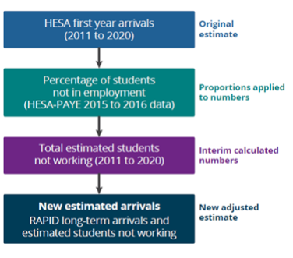
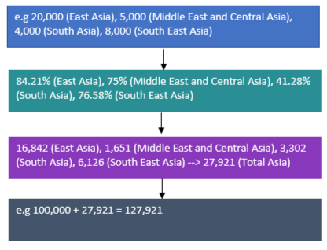

Notes:
1. e.g. means the numbers are indicative, where a number isn't marked as e.g. but follows through from one that is, these will also be indicative
2. The HESA and PAYE case study is available to view here

Limitations:
1. The proportions of students not working as estimated by the HESA and PAYE case study are based on data from the end of the tax years 2016 and 2017; we have therefore applied this proportion across the timeseries and it is possible that this proportion changes over time
2. As the HESA and PAYE research on the proportion of students not working alongside their studies was only completed for undergraduate studnets the adjustment has also only been applied to HESA data for undergraduates.

Student outflow adjustment
 | Numerical example of the student outflow adjustment for Asia, Year Ending March 2017
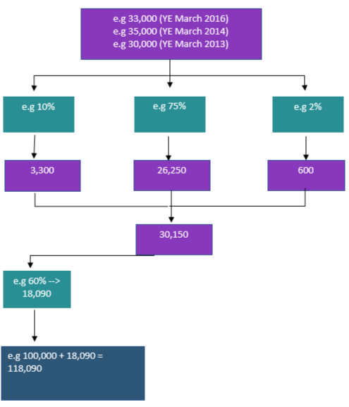
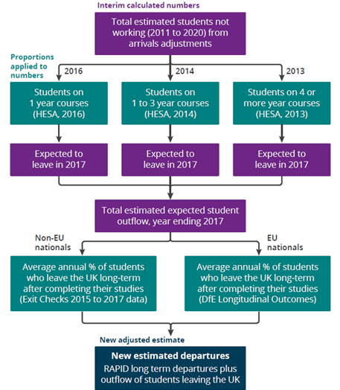

Notes:
1. e.g. means the numbers are indicative, where a number isn't marked as e.g. but follows through from one that is, these will also be indicative
2. The DfE Longitudintal Outcomes is available to view here

Limitations:
1. This adjusment is based on data caluclated for the student inflow djsutment therefore we are reliant on this methodology being correct.
2. The Home Office and Department for Education data estimates the proportion of students leaving at the end of their studies; we have assumed that this proportion is the same for working and non-working students.
3. It is possible that students who do not work alongside their studies are more likley to leave the UK at the end of their studies than those who do work.
4. The proportion of students working from the Home Office data are an average of the years ending 2016 and 2016 which we have applied across the timeseries. It is possible that this propprtion changes over time.
5. The LEO data are for England higher education institutions only, we have applied this to students across the UK, however it is possible that international students in Scotland, Wales and Northern Ireland behave differently to those from England.
6. Where we do not have HESA data available to estiamte the number of students finishing their courses at the end of each year, we have applied proportions from later years

Provisional inflow adjustment
 | Numerical example of the provisional inflow adjustment for Asia, Year Ending March 2020

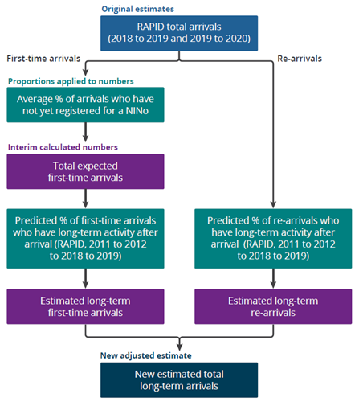
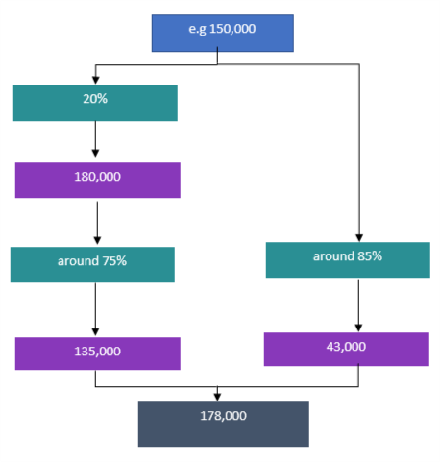

Notes:
1. e.g. means the numbers are indicative, where a number isn't marked as e.g. but follows through from one that is, these will also be indicative

Limitations:
1. We have assumed here that past relationships between arrivals and registrations are reflective of current beahviour.
2. We have also assumed that any proportions calculcated are consistent over time and that past behaviour is reflective of current behaviour.
3. Unknown impacts of EU exit and behaviour changes during the coronavirus pandemic on inflow adjustment methodology.

Provisional outflow adjustment
 | Numerical example of the provisional outflow adjustment for Asia, Year Ending March 2020
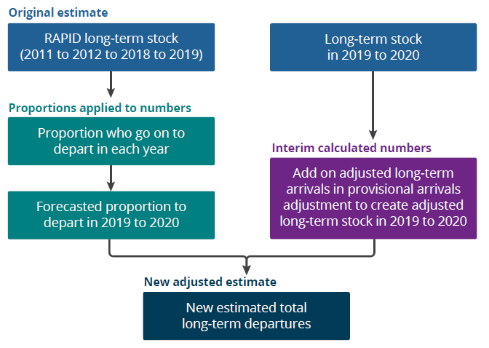
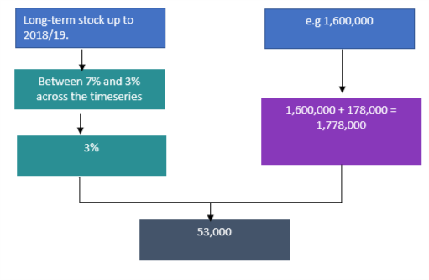

Notes:
1. e.g. means the numbers are indicative, where a number isn't marked as e.g. but follows through from one that is, these will also be indicative

Limitations:
1. We have assumed here that past relationships between arrivals and registrations are reflective of current beahviour.
2. We have also assumed that any proportions calculcated are consistent over time and that past behaviour is reflective of current behaviour.
3. Unknown impacts of EU exit and behaviour changes during the coronavirus pandemic on inflow adjustment methodology.

UK naturalisation adjustment
 | Numerical example of the UK naturalisation adjustment for Asia, Year Ending March 2020
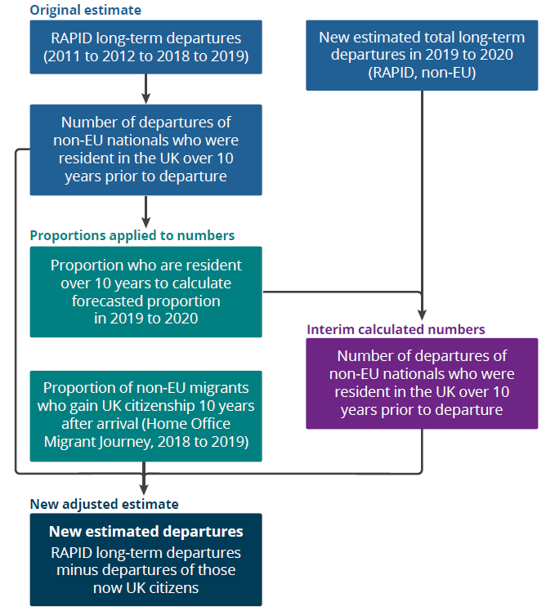
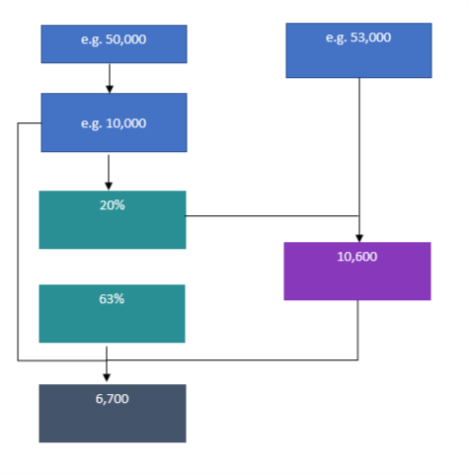

Notes:
1. e.g. means the numbers are indicative, where a number isn't marked as e.g. but follows through from one that is, these will also be indicative
2. The Home Office Migrant Journey data is available here

Limitations:
1. We have assumed here that past relationships between arrivals and registrations are reflective of current behaviour.
2. We have assumed that the data from the Home Office Migrant Journey analysis is reflective of those who are outflowing
3. The adjustment has only been applied to those who have been in the UK over 10 years prior to departure and some long-term migrants will gain UK citizenship earlier than this, therefore, the adjustment could be underestimating the size of this population
4. We have assumed that the proportion of those who gain UK citizenship applies to those who are leaving the UK long-term, however it is possible that migrants who gain UK citizenship are less likely to outflow, therefore the adjustment could be overestimating the size of this population

