Interpreting table 6
Contents
Interpreting Table 6 - Cumulative percentage of marriages ending in divorce by year of marriage and anniversary

Figure 1 | Cumulative percentage of marriages which ended in divorce |  |  |  |  |  |  |  |  | Commentary
 | England and Wales, selected marriage years (cohorts)
 |  |  |  |  |  |  |  |  |  | The percentage of marriages which ended in divorce by a given wedding anniversary for selected years of marriage have been chosen for illustration here. For example:
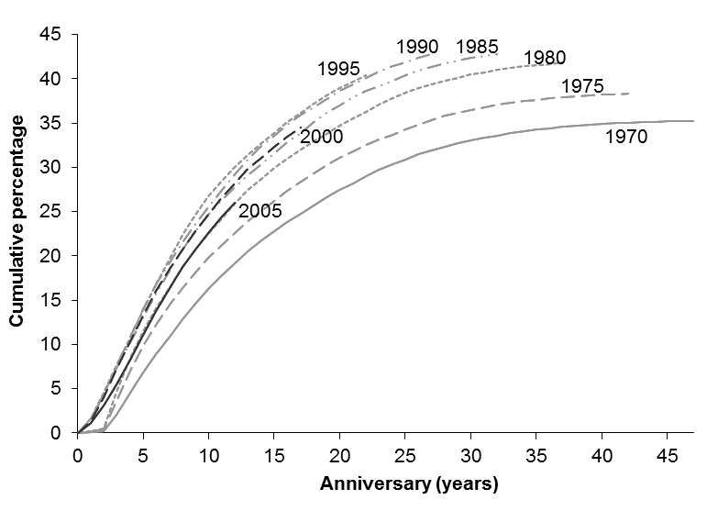
 |  |  |  |  |  |  |  |  |  | ● 8 per cent of those who married in 2005 have divorced by their fifth wedding anniversary
 |  |  |  |  |  |  |  |  |  | ● 40 per cent of those who married in 1985 have divorced by their 25th wedding anniversary

 |  |  |  |  |  |  |  |  |  | The cumulative percentages of marriages which end in divorce increase more rapidly in the first 10 years of marriage than the 10 years after that. Once the 20th wedding anniversary is reached, the cumulative percentages increase less rapidly.

 |  |  |  |  |  |  |  |  |  | The percentage of marriages ending in divorce has generally increased for those marrying between the early 1970s and the early 1990s. For example 22 per cent of marriages in 1970 had ended by the 15th wedding anniversary, whereas 33 per cent of marriages in 1995 had ended after the same period of time. However for the most recent cohorts, those marrying since 2000, there is some evidence of decreases between successive cohorts in the proportion of marriages ending in divorce.

 |  |  |  |  |  |  |  |  |  | Interpretation and assumptions

 |  |  |  |  |  |  |  |  |  | This table examines cohorts of people who married in particular years to determine the proportions who have divorced. The percentages in this cohort table are based on several assumptions including:

Summary table 1 |  |  |  |  |  |  |  |  |  | ● couples married each year have not moved out of England and Wales
Cumulative percentage of marriages which ended in divorce |  |  |  |  |  |  |  |  |  | ● couples divorced each year have not moved into England and Wales since getting married
England and Wales, selected marriage years (cohorts) |  |  |  |  |  |  |  |  |  | ● couples marry in the country where they usually live.
 |  |  |  |  |  |  |  |  |  | The table does not take account of marriages which end due to the death of either partner.
Year of | Anniversary (years)
marriage | 5 | 10 | 15 | 20 | 25 | 30 | 35 | 40 | 45 | All these factors will affect the true percentages. For example, couples who live in England and Wales but marry abroad are not included in the marriage figures but may be included in the divorce figures, which could lead to over-estimation of the proportion of marriages ending in divorce.

1970 | 5 | 15 | 22 | 27 | 30 | 33 | 34 | 35 | 35
1975 | 7 | 18 | 25 | 30 | 34 | 36 | 38 | 38
1980 | 9 | 21 | 29 | 34 | 38 | 40 | 41
1985 | 10 | 23 | 30 | 36 | 40 | 42 |  |  |  | This cohort table is different to a table showing the period percentage of marriages ending in divorce in a particular year, an example of which is shown in table 2a in the 2011 divorces publication. Unlike this cohort table, a period table such as the one in table 2a takes divorce rates at all years of marriage for a calendar year and provides a single figure summarising the proportion of marriages ending in divorce. Table 2a is only produced on an ad hoc basis and has not been produced for this publication.
1990 | 11 | 24 | 32 | 38 | 41
1995 | 11 | 25 | 33 | 38
2000 | 10 | 23 | 31
2005 | 8 | 21
2010 | 8

 |  |  |  |  |  |  |  |  |  | This summary explores the percentage of marriages which end in divorce using table 2a:
Further information on cohort tables including the method for calculating this table can be found in our User Guide to Divorce Statistics |  |  |  |  |  |  |  |  |  | What percentage of marriages end in divorce?

 |  |  |  |  |  |  |  |  |  | Table 2a in spreadsheet 2 in 2011 divorces publication
Source: Table 6, Divorces in England and Wales: 2018, Office for National Statistics

Interpreting tables 7a and 7b
Contents
Interpreting Tables 7a and 7b - Proportions of men/women ever divorced by age and birth cohort

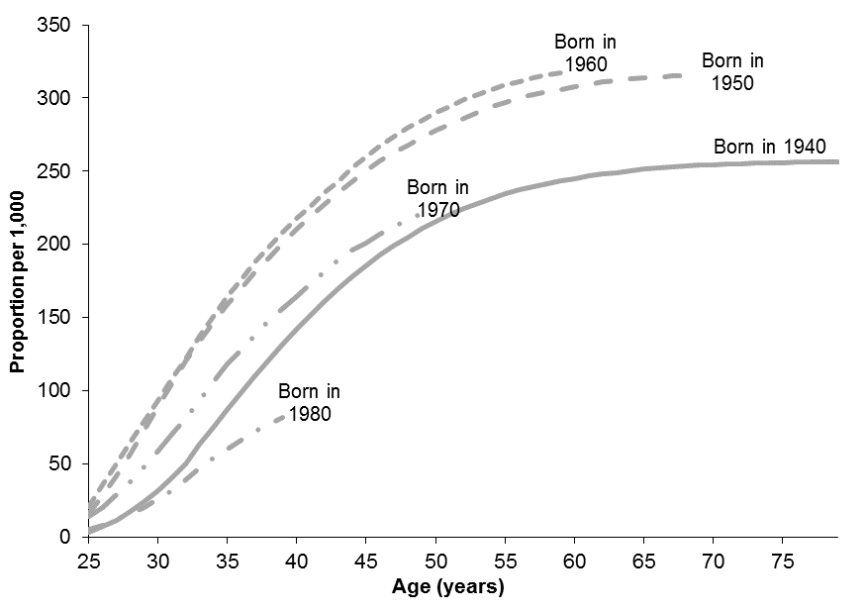
Figure 1 |  | Proportions of men ever divorced by age and |  |  |  |  |  |  |  |  |  | Summary table 2
 |  | birth cohort, 1940-1980, England and Wales |  |  |  |  |  |  |  |  |  | Proportions of men and women ever divorced by age and
 |  |  |  |  |  |  |  |  |  |  |  | birth cohort, 1940-1980, England and Wales

 |  |  |  |  |  |  |  |  |  |  |  |  |  |  |  |  |  |  | Proportion per 1,000
 |  |  |  |  |  |  |  |  |  |  |  | Year of birth | Age of men |  |  |  |  | Age of women
 |  |  |  |  |  |  |  |  |  |  |  |  | 30 | 40 | 50 | 60 | 70 | 30 | 40 | 50 | 60 | 70

 |  |  |  |  |  |  |  |  |  |  |  | 1940 | 32 | 142 | 216 | 245 | 254 | 45 | 144 | 206 | 226 | 232
 |  |  |  |  |  |  |  |  |  |  |  | 1950 | 89 | 210 | 278 | 308 |  | 113 | 220 | 277 | 299
 |  |  |  |  |  |  |  |  |  |  |  | 1960 | 93 | 218 | 290 |  |  | 131 | 242 | 302
 |  |  |  |  |  |  |  |  |  |  |  | 1970 | 59 | 164 |  |  |  | 95 | 200
 |  |  |  |  |  |  |  |  |  |  |  | 1980 | 26 |  |  |  |  | 47

 |  |  |  |  |  |  |  |  |  |  |  | Interpretation and commentary

 |  |  |  |  |  |  |  |  |  |  |  | The proportion per 1,000 men who had ever divorced by a given age for selected years of birth have been chosen for illustration in figure 1 and summary table 1. For example:

 |  |  |  |  |  |  |  |  |  |  |  | ● 142 per 1,000 men born in 1940 had divorced by the age of 40

 |  |  |  |  |  |  |  |  |  |  |  | ● 290 per 1,000 men born in 1960 had divorced by the age of 50

 |  |  |  |  |  |  |  |  |  |  |  | The proportions of men who had ever divorced increases more rapidly up to the age of 45 than after this age. For example, for men born in 1940, 185 per 1,000 had divorced by the age of 45, whereas only a further 69 per 1,000 divorced for the first time between the ages of 45 and 70.
Summary table 1
Proportions of men ever divorced by age and
birth cohort, 1940-1990, England and Wales
 |  |  |  |  |  |  |  |  |  |  |  | The proportion of men who had ever divorced increased for those born between 1940 and 1960, but has since decreased for those born between 1960 and 1980. For example 142 per 1,000 men born in 1940 had divorced by the age of 40. This increased to 218 per 1,000 men born in 1960 before falling to 164 per 1,000 men born in 1970. A possible reason for the fall is that it is more common for more recent cohorts to cohabit with a partner, either as a precursor to, or instead of marriage, than it was for previous cohorts. As a result, a smaller proportion of people in recent cohorts have ever been married by each age, which means a smaller proportion have been at risk of ever being divorced.
 |  |  |  |  |  |  |  |  | Proportion per 1,000
Year of birth |  | Age (years)
 | 20 | 25 | 30 | 35 | 40 | 45 | 50 | 55 | 60 | 65 | 70

1940 | 0 | 3 | 32 | 87 | 142 | 185 | 216 | 234 | 245 | 251 | 254
1950 | 0 | 16 | 89 | 159 | 210 | 250 | 278 | 297 | 308 | 314
1960 | 0 | 21 | 93 | 164 | 218 | 260 | 290 | 309
1970 | 0 | 14 | 59 | 118 | 164 | 201 |  |  |  |  |  | Summary table 2 shows that a higher proportion of women than men had ever divorced by the ages of 30 and 40 for all birth cohorts. This is likely to be because men tend to be older than women when they marry, so a higher proportion of women than men have married by these ages. Conversely by the age of 70, a slightly higher proportion of men than women had ever divorced.
1980 | 0 | 5 | 26 | 60
1990 |  | 2

Further information on cohort tables including the method for calculating this table can be found in our User Guide to Divorce Statistics

Revised population estimates for 2002-2010 following the results of the 2011 Census were used in the production of this table. The impact of using this revised series is negligible, with most proportions not changing at all. The largest change was for men born in 1980, where the proportion changed by 4 per 1,000 in 2009 and 2010.
 |  |  |  |  |  |  |  |  |  |  |  | Source: Tables 7a and 7b, Divorces in England and Wales 2018, Office for National Statistics

